Dashboard
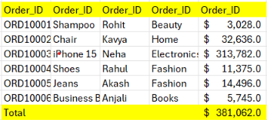
Amazon Sales Dashboard

23.0M
500
2.3K
4.12
4.29

Total Orders
Total Quantity
Average Rating
Total Sales
Average Delivery

Sales By State
 | Total
Jan | 1.5M
Feb | 2.0M
Mar | 2.4M
Apr | 1.7M
May | 2.2M
Jun | 1.5M
Jul | 2.6M
Aug | 1.3M
Sep | 1.6M
Oct | 1.9M
Nov | 0.9M
Dec | 3.3M
Sales By Month
Sales By Category
 | State | %
Delhi | 3.4M | 15%
Gujrat | 4.4M | 19%
Karnataka | 5.3M | 23%
Maharashtra | 3.5M | 15%
Tamil Nadu | 3.1M | 13%
Telangana | 3.4M | 15%
 | Total
Beauty | 0.5M
Books | 0.6M
Fashion | 1.8M
Home | 2.7M
Electronics | 17.5M

Sales By Payment Method
Sales By Product
Order Details
 | Total
Card | 5.5M
Cash | 5.0M
Net Banking | 6.1M
UPI | 6.3M
 | Total
AirPods Pro | 5.4M
iPhone 15 | 2.4M
Laptop | 2.4M
MacBook Air | 3.8M
Sony Headphones | 3.4M

